Introduction
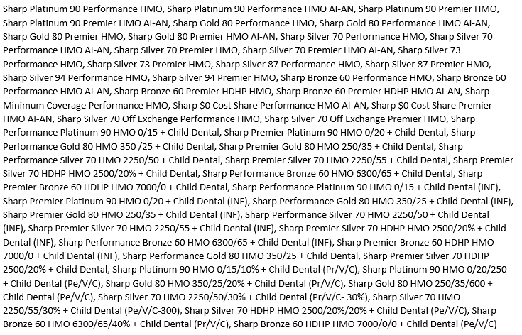


2021 EXCHANGE FORMULARY CHANGES BY MONTH. CHANGES APPLY TO:

